Sheet1
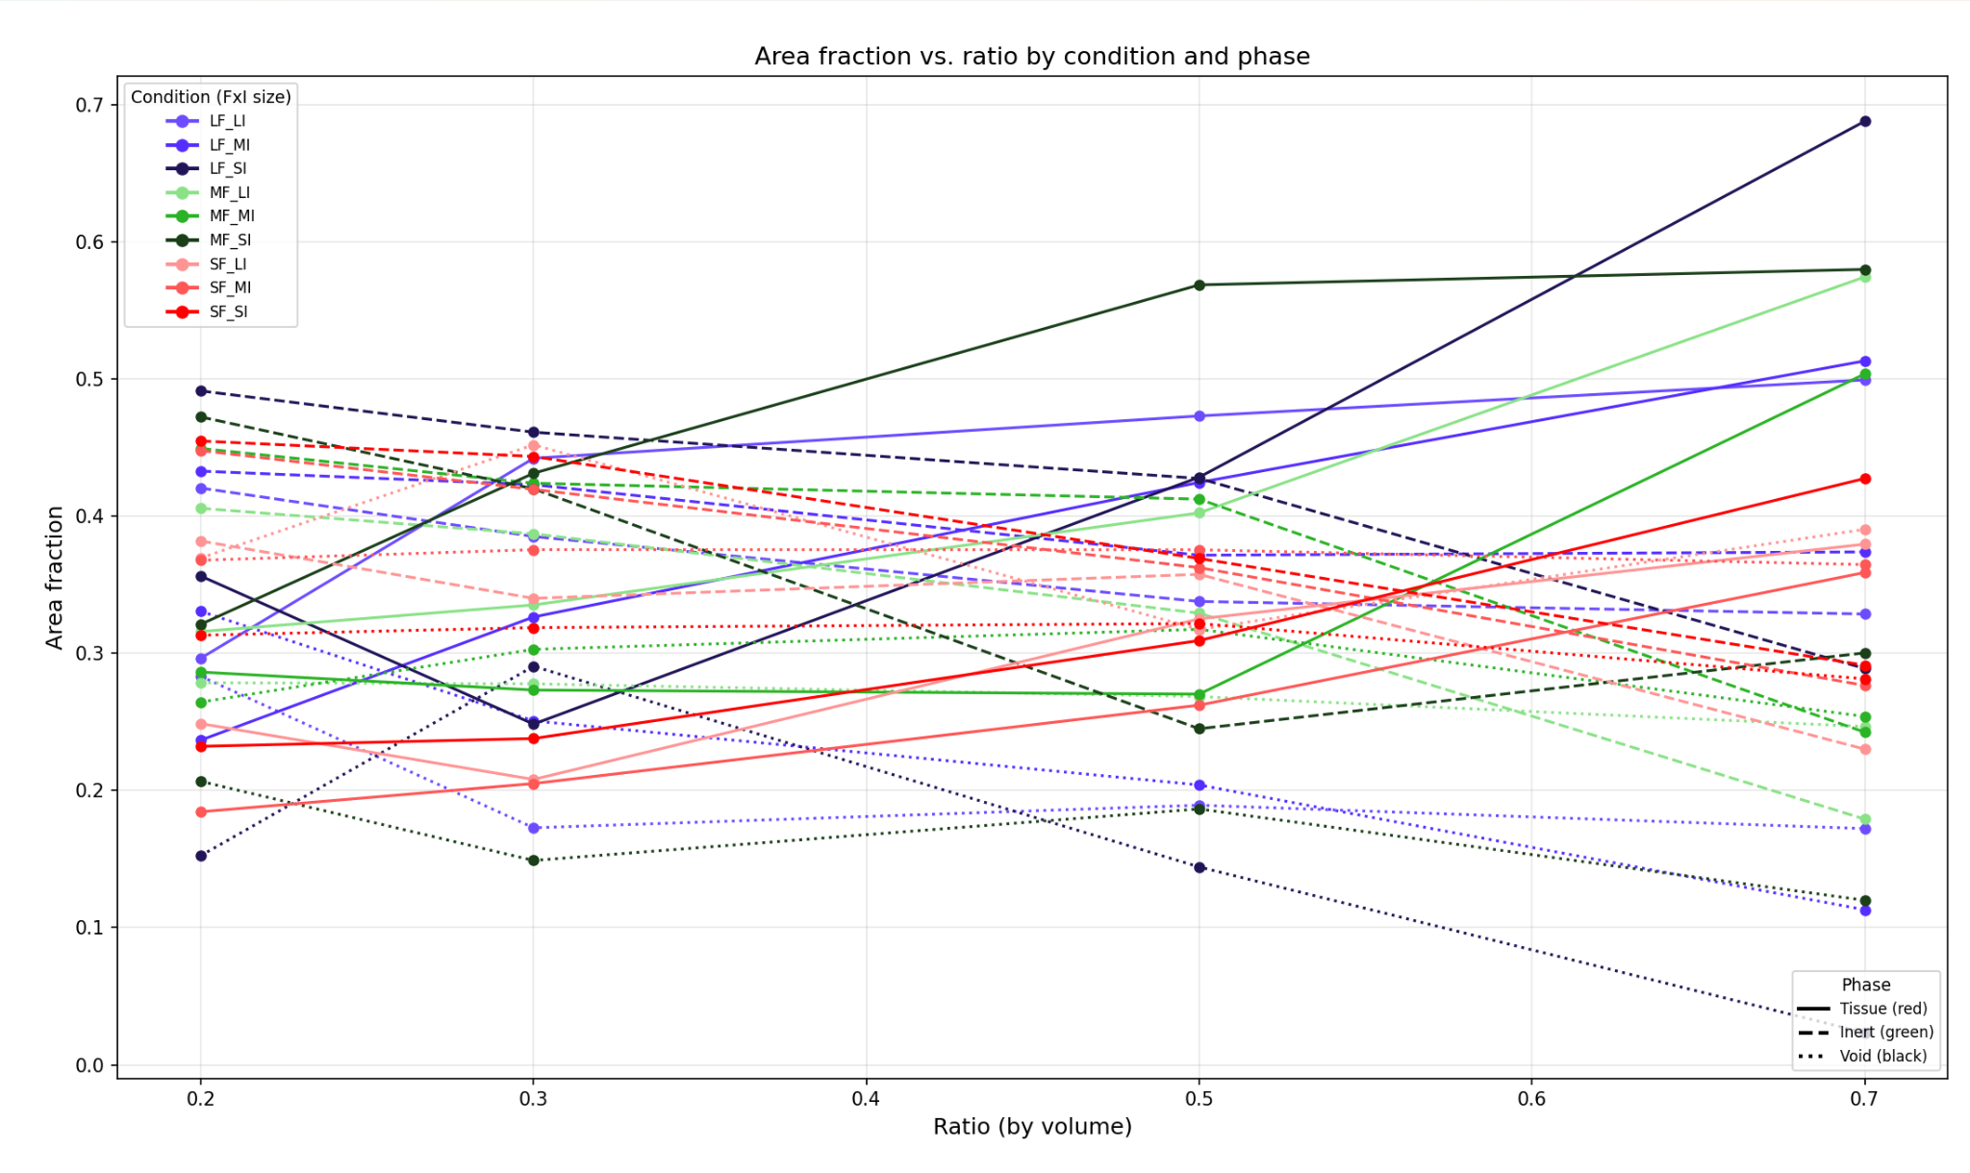

DAY 1
 | Conditions |  | Area fraction |  |  | Area fraction vs volume ratio |  | Continuity (what % of the area is one shape)
File | Sizes | Ratio | Tissue% | Inert% | Void% | F over/under? | I over/under? | T-cont% | I-cont% | V-cont%
cropped_day1_LFLI02.ome_Z00_mask.png | LF_LI | 20% | 29.64% | 42.04% | 28.32% | 0.67 | 1.90 | 15.18% | 18.17% | 7.87%
cropped_day1_LFLI03.ome_Z00_mask.png | LF_LI | 30% | 44.21% | 38.51% | 17.28% | 0.68 | 1.82 | 37.57% | 36.91% | 44.74%
cropped_day1_LFLI05.ome_Z00_mask.png | LF_LI | 50% | 47.30% | 33.78% | 18.92% | 1.06 | 1.48 | 21.45% | 21.80% | 10.28%
cropped_day1_LFLI07.ome_Z00_mask.png | LF_LI | 70% | 49.92% | 32.86% | 17.22% | 1.40 | 0.91 | 22.42% | 13.24% | 14.91%
cropped_day1_LFMI02.ome_Z00_mask.png | LF_MI | 20% | 23.67% | 43.28% | 33.06% | 0.84 | 1.85 | 16.12% | 48.61% | 13.54%
cropped_day1_LFMI03.ome_Z00_mask.png | LF_MI | 30% | 32.64% | 42.29% | 25.07% | 0.92 | 1.66 | 18.60% | 26.44% | 16.93%
cropped_day1_LFMI05.ome_Z00_mask.png | LF_MI | 50% | 42.45% | 37.15% | 20.40% | 1.18 | 1.35 | 32.45% | 25.03% | 6.56%
cropped_day1_LFMI07.ome_Z00_mask.png | LF_MI | 70% | 51.31% | 37.39% | 11.30% | 1.36 | 0.80 | 30.14% | 17.90% | 15.86%
cropped_day1_LFSI02.ome_Z00_mask.png | LF_SI | 20% | 35.63% | 49.13% | 15.25% | 0.56 | 1.63 | 11.07% | 89.44% | 9.67%
cropped_day1_LFSI03.ome_Z00_mask.png | LF_SI | 30% | 24.83% | 46.11% | 29.05% | 1.21 | 1.52 | 12.08% | 22.40% | 18.71%
cropped_day1_LFSI05.ome_Z00_mask.png | LF_SI | 50% | 42.83% | 42.74% | 14.42% | 1.17 | 1.17 | 17.99% | 46.47% | 4.77%
cropped_day1_LFSI07.ome_Z00_mask.png | LF_SI | 70% | 68.78% | 28.89% | 2.33% | 1.02 | 1.04 | 75.35% | 45.94% | 9.88%
cropped_day1_MFLI02.ome_Z00_mask.png | MF_LI | 20% | 31.58% | 40.57% | 27.85% | 0.63 | 1.97 | 20.87% | 23.07% | 10.93%
cropped_day1_MFLI03.ome_Z00_mask.png | MF_LI | 30% | 33.52% | 38.71% | 27.77% | 0.89 | 1.81 | 17.96% | 29.28% | 13.79%
cropped_day1_MFLI05.ome_Z00_mask.png | MF_LI | 50% | 40.23% | 32.92% | 26.84% | 1.24 | 1.52 | 22.14% | 13.13% | 14.12%
cropped_day1_MFLI07.ome_Z00_mask.png | MF_LI | 70% | 57.43% | 17.91% | 24.66% | 1.22 | 1.68 | 52.33% | 13.90% | 17.63%
cropped_day1_MFMI02.ome_Z00_mask.png | MF_MI | 20% | 28.63% | 44.93% | 26.44% | 0.70 | 1.78 | 24.10% | 38.56% | 13.27%
cropped_day1_MFMI03.ome_Z00_mask.png | MF_MI | 30% | 27.32% | 42.39% | 30.29% | 1.10 | 1.65 | 8.58% | 26.10% | 7.58%
cropped_day1_MFMI05.ome_Z00_mask.png | MF_MI | 50% | 27.02% | 41.24% | 31.74% | 1.85 | 1.21 | 9.83% | 33.09% | 31.80%
cropped_day1_MFMI07.ome_Z00_mask.png | MF_MI | 70% | 50.36% | 24.25% | 25.39% | 1.39 | 1.24 | 60.69% | 9.35% | 6.91%
cropped_day1_MFSI02.ome_Z00_mask.png | MF_SI | 20% | 32.11% | 47.23% | 20.66% | 0.62 | 1.69 | 8.41% | 78.67% | 2.81%
cropped_day1_MFSI03.ome_Z02_mask.png | MF_SI | 30% | 43.12% | 41.99% | 14.89% | 0.70 | 1.67 | 13.78% | 40.15% | 3.61%
cropped_day1_MFSI05.ome_Z00_mask.png | MF_SI | 50% | 56.85% | 24.50% | 18.65% | 0.88 | 2.04 | 65.64% | 16.30% | 9.08%
cropped_day1_MFSI07.ome_Z00_mask.png | MF_SI | 70% | 57.98% | 30.03% | 11.99% | 1.21 | 1.00 | 63.83% | 38.61% | 13.13%
cropped_day1_SFLI02.ome_Z00_mask.png | SF_LI | 20% | 24.87% | 38.18% | 36.95% | 0.80 | 2.10 | 11.17% | 14.57% | 17.23%
cropped_day1_SFLI03.ome_Z00_mask.png | SF_LI | 30% | 20.80% | 34.00% | 45.20% | 1.44 | 2.06 | 6.29% | 13.13% | 74.44%
cropped_day1_SFLI05.ome_Z00_mask.png | SF_LI | 50% | 32.50% | 35.75% | 31.74% | 1.54 | 1.40 | 10.89% | 25.31% | 9.48%
cropped_day1_SFLI07.ome_Z00_mask.png | SF_LI | 70% | 37.95% | 23.01% | 39.04% | 1.84 | 1.30 | 8.08% | 8.01% | 19.66%
cropped_day1_SFMI02.ome_Z04_mask.png | SF_MI | 20% | 18.44% | 44.77% | 36.78% | 1.08 | 1.79 | 4.60% | 17.17% | 12.80%
cropped_day1_SFMI03.ome_Z00_mask.png | SF_MI | 30% | 20.50% | 41.95% | 37.55% | 1.46 | 1.67 | 8.56% | 27.57% | 28.33%
cropped_day1_SFMI05.ome_Z00_mask.png | SF_MI | 50% | 26.21% | 36.24% | 37.54% | 1.91 | 1.38 | 6.77% | 19.33% | 33.85%
cropped_day1_SFMI07.ome_Z00_mask.png | SF_MI | 70% | 35.88% | 27.65% | 36.46% | 1.95 | 1.08 | 5.35% | 7.19% | 26.26%
cropped_day1_SFSI02.ome_Z00_mask.png | SF_SI | 20% | 23.21% | 45.47% | 31.31% | 0.86 | 1.76 | 7.15% | 13.73% | 8.96%
cropped_day1_SFSI03.ome_Z00_mask.png | SF_SI | 30% | 23.78% | 44.35% | 31.87% | 1.26 | 1.58 | 8.81% | 40.15% | 7.80%
cropped_day1_SFSI05.ome_Z00_mask.png | SF_SI | 50% | 30.93% | 36.91% | 32.17% | 1.62 | 1.35 | 6.10% | 19.97% | 10.68%
cropped_day1_SFSI07.ome_Z00_mask.png | SF_SI | 70% | 42.74% | 29.13% | 28.13% | 1.64 | 1.03 | 16.90% | 8.09% | 10.29%

